Image
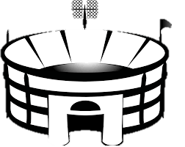
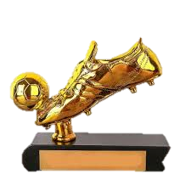
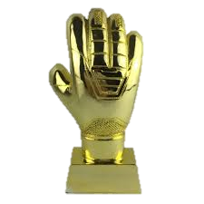
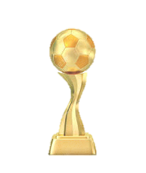


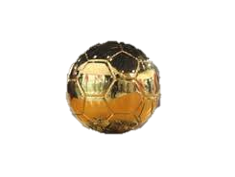
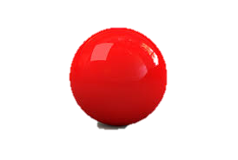
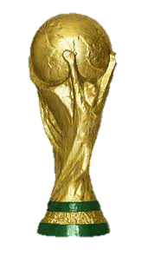

DASHBOARD_Part1
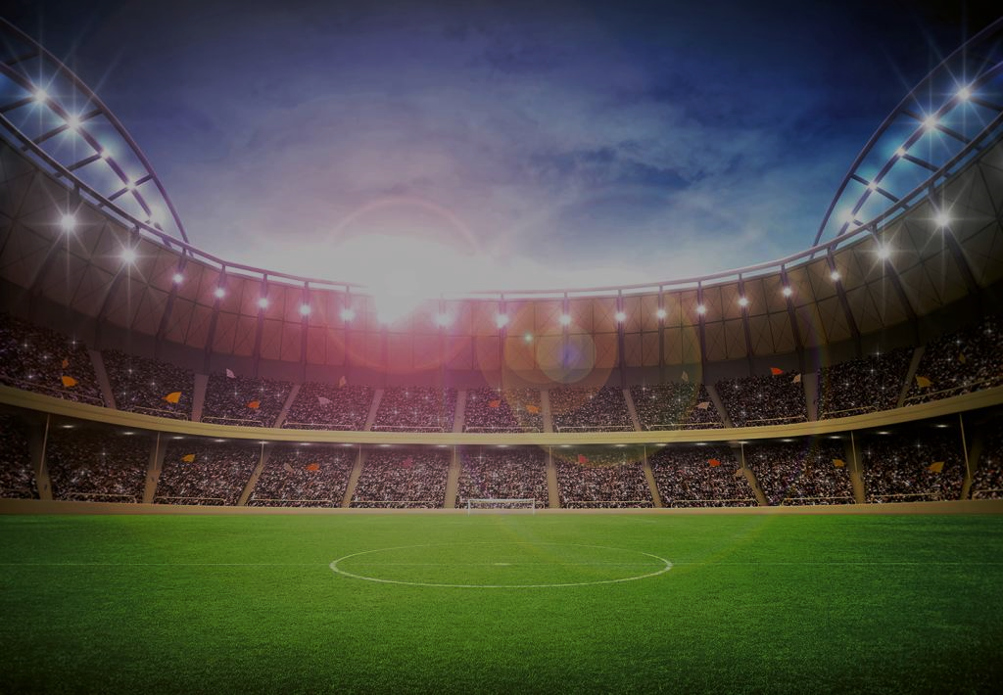
FIFA World Cup (1930 - 2014) Dashboard

FIFA World Cup Host Country Count
 | Host Count
Uruguay | 1
Switzerland | 1
Sweden | 1
Chile | 1
England | 1
Argentina | 1
Spain | 1
USA | 1
Korea/Japan | 1
South Africa | 1
Italy | 2
France | 2
Brazil | 2
Mexico | 2
Germany | 2
FIFA World Cup Winning Count from 1930 to 2014
 | No.of win
Uruguay | 1
Argentina | 1
Brazil | 2
Italy | 4
Germany FR | 4
England | 5
Netherlands | 5
Germany | 5
Goals Scored at each FIFA World Cup from 1930 to 2014
 | GoalsScored
1930 | 70
1934 | 70
1938 | 84
1950 | 88
1962 | 89
1966 | 89
1970 | 95
1974 | 97
1978 | 102
1990 | 115
1958 | 126
1986 | 132
1954 | 140
1994 | 141
2010 | 145
1982 | 146
2006 | 147
2002 | 161
1998 | 171
2014 | 171
Total Attendance in a year
 | Total Attendance
1934 | 363,000.00
1938 | 375,700.00
1930 | 590,549.00
1954 | 768,607.00
1958 | 819,810.00
1962 | 893,172.00
1950 | 1,045,246.00
1978 | 1,545,791.00
1966 | 1,563,135.00
1970 | 1,603,975.00
1974 | 1,865,753.00
1982 | 2,109,723.00
1986 | 2,394,031.00
1990 | 2,516,215.00
2002 | 2,705,197.00
1998 | 2,785,100.00
2010 | 3,178,856.00
2006 | 3,359,439.00
2014 | 3,429,873.00
1994 | 3,587,538.00

Number of matches played in a city
 | Total
Guadalajara | 8
Leon | 7
Mexico City | 10
Puebla | 3
Toluca | 4
Referee's for selected year
 | Total
KLEIN Abraham (ISR) | 1
LANDAUER Henry (USA) | 1
BAKHRAMOV Tofik (URS) | 1
AGUILAR ELIZALDE Abel (MEX) | 1
DAVIDSON Bob (SCO) | 1
MACHIN Roger (FRA) | 1
DE MORAES Ayrton Vieira (BRA) | 1
MARSCHALL Ferdinand (AUT) | 1
KANDIL Aly Hussein (EGY) | 1
RADULESCU Andrei (ROU) | 1
BARRETO RUIZ Ramon (URU) | 1
SALDANHA RIBEIRO Antonio (POR) | 1
HORMAZABAL DIAZ Rafael (CHI) | 1
TAREKEGN Seyoum (ETH) | 1
DE LEO Diego (MEX) | 1
TAYLOR John (ENG) | 1
YAMASAKI MALDONADO Arturo (MEX) | 1
TSCHENSCHER Kurt (GER) | 1
LORAUX Vital (BEL) | 2
GLOECKNER Rudolf (GDR) | 2
COEREZZA Norberto Angel (ARG) | 2
ORTIZ DE MENDIBIL Jose Maria (ESP) | 2
VAN RAVENS Laurens (NED) | 2
SCHEURER Ruedi (SUI) | 2
SBARDELLA Antonio (ITA) | 2
Assistant1 Referee's for selected year
 | Total
AGUILAR ELIZALDE Abel (MEX) | 1
BAKHRAMOV Tofik (URS) | 2
BARRETO RUIZ Ramon (URU) | 1
COEREZZA Norberto Angel (ARG) | 1
DAVIDSON Bob (SCO) | 1
DUNSTAN Keith (BER) | 3
EMSBERGER Gyula (HUN) | 2
GLOECKNER Rudolf (GDR) | 1
HORMAZABAL DIAZ Rafael (CHI) | 1
KLEIN Abraham (ISR) | 1
LANDAUER Henry (USA) | 2
MACHIN Roger (FRA) | 1
MARSCHALL Ferdinand (AUT) | 2
MARUYAMA Yoshiyuki (JPN) | 1
ORTIZ DE MENDIBIL Jose Maria (ESP) | 2
RADULESCU Andrei (ROU) | 1
SCHEURER Ruedi (SUI) | 3
TAREKEGN Seyoum (ETH) | 1
TAYLOR John (ENG) | 1
TSCHENSCHER Kurt (GER) | 1
VELASQUEZ Guillermo (COL) | 2
YAMASAKI MALDONADO Arturo (MEX) | 1
Number of matches played in a stadium
 | Total
Cuauhtemoc | 3
Estadio Azteca | 10
Jalisco | 8
Luis Dosal | 4
Nou Camp - Estadio Leï¿½n | 7

Assistant2 Referee's for selected year
 | Total
SBARDELLA Antonio (ITA) | 2
TSCHENSCHER Kurt (GER) | 2
TAYLOR John (ENG) | 2
HORVAT Drago (YUG) | 2
VELASQUEZ Guillermo (COL) | 2
MARSCHALL Ferdinand (AUT) | 2
LORAUX Vital (BEL) | 2
VAN RAVENS Laurens (NED) | 1
DE LEO Diego (MEX) | 1
RADULESCU Andrei (ROU) | 1
COEREZZA Norberto Angel (ARG) | 1
DE MORAES Ayrton Vieira (BRA) | 1
KANDIL Aly Hussein (EGY) | 1
HORMAZABAL DIAZ Rafael (CHI) | 1
LANDAUER Henry (USA) | 1
SALDANHA RIBEIRO Antonio (POR) | 1
YAMASAKI MALDONADO Arturo (MEX) | 1
TAREKEGN Seyoum (ETH) | 1
AGUILAR ELIZALDE Abel (MEX) | 1
EMSBERGER Gyula (HUN) | 1
DAVIDSON Bob (SCO) | 1
GLOECKNER Rudolf (GDR) | 1
MARUYAMA Yoshiyuki (JPN) | 1
ORTIZ DE MENDIBIL Jose Maria (ESP) | 1
MACHIN Roger (FRA) | 1
Stadium with highest number of average attendance
 | Total
Luis Dosal | 14949.5
Nou Camp - Estadio Leï¿½n | 15212.142857
Cuauhtemoc | 22928.333333
Jalisco | 54088.5
Estadio Azteca | 93619.9

Total Goals by country as Home team
 | Total
Bulgaria | 1
England | 2
Romania | 2
Sweden | 2
Belgium | 3
Uruguay | 3
Mexico | 5
Soviet Union | 6
Peru | 6
Italy | 9
Germany FR | 14
Brazil | 19
Toal Goals by country as Away team
 | Total
Bulgaria | 4
Peru | 3
Germany FR | 3
England | 2
Morocco | 2
Romania | 2
Czechoslovakia | 2
Mexico | 1
Uruguay | 1
Belgium | 1
Israel | 1
Italy | 1
Soviet Union | 0
El Salvador | 0
Sweden | 0

Audience per match
 | Total
Peru vs Bulgaria | 13765
Uruguay vs Israel | 20654
England vs Romania | 50560
Goal by Home and Away team per match
 | Sum of Home Team Goals | Sum of Away Team Goals
England vs Romania | 1 | 0
Peru vs Bulgaria | 3 | 2
Uruguay vs Israel | 2 | 0

Match played in Stadium
 | Total
Uruguay vs Israel | 1
England vs Romania | 1
Peru vs Bulgaria | 1
Match palyed in city
 | Total
England vs Romania | 1
Peru vs Bulgaria | 1
Uruguay vs Israel | 1
Referee for match
 | Total
Uruguay vs Israel | 1
England vs Romania | 1
Peru vs Bulgaria | 1

DASHBOARD_Part2
Match played VS Goals
Golden Ball
Fifa world cup (1930 - 2014) Dashboard
Total Audience
Max Audience in single match
Total Goals in WC
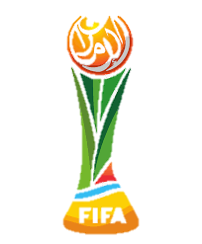
 | Total
Sum of GoalsScored | 70
Sum of MatchesPlayed | 18
José Nasazzi
Estadio Centenario, Montevideo
70
0.59 Million
93.00 Thousand

Winner
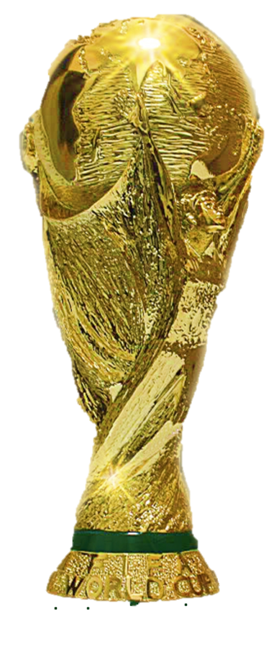
Golden Boot


Guillermo Stábile

Uruguay
No. of Matched Played (Selected Year)
18

Golden Gloves
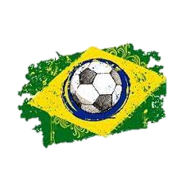

Yellow Card
Red Card
Enrique Ballestrero

0
0
13

Red VS Yellow Card
 | Sum of Yellow card | Sum of Red card
Total | 0 | 0
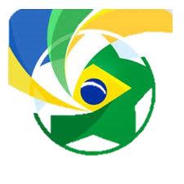

Runners-Up
Host Country
No. of Teams (Single Year)

Argentina
Uruguay

